Sheet1
ASSIGNMENT 4
WIPRO (DWS BATCH)

Q1 | What is registry?

Ans | A registry is a central hierachical database used in windows OS to store configuration settings and options .

Q2 | How many types of registry?

Ans | The registry is divided into five types (called root keys)

1 | HKEY_CLASSES_ROOT

2 | HKEY_CURRENT_USER

3 | HKEY_LOCAL_MACHINE

4 | HKEY_USERS

5 | HKEY_CURRENT_CONFIG

Q3 | Which registry path is used for finding product code?

Ans | HKEY_LOCAL_MACHINE\SOFTWARE\Microsoft\Windows NT\CurrentVersion\SoftwareProtectionPlatform | FOR 64 BIT

 | HKEY_LOCAL_MACHINE\SOFTWARE\WOW6432Node\Microsoft\Windows\CurrentVersion\SoftwareProtectionPlatform | FOR 32 BIT

Q4 | Register a dll file with screenshots?

Ans | Step 1: Locate the DLL File

 | The DLL file you want to register (e.g., example.dll) must be in a path like:

 | C:\MyDLLs\example.dll

 | Step 2: Open Command Prompt as Administrator

 | Press Windows + S, type cmd

 | Right click on command prompt

 | Click on Run as administrator (if we don’t run as admin then it shows access denied error)

 | Step 3: Use regsvr32 to Register the DLL

 | regsvr32 "C:\Path\To\Your\File.dll"

 | For eg. Regsvr32 "C:\MyDLLs\example.dll"

 | If it registered then it shows message like DllRegisterServer in example.dll succeeded.

 | Steps screenshots

1

2

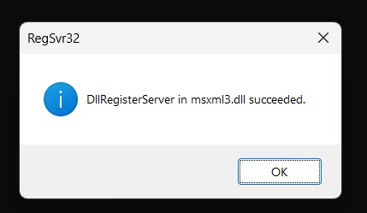
3

